BOM
Item | Part Number | Thumbnail | BOM Structure | Unit QTY | QTY | Stock Number | Description | REV
1 | cornerBracket | 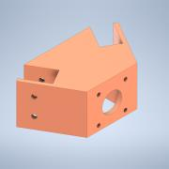 | Normal | Each | 3
2 | 2040aluminum_extrusion_black | 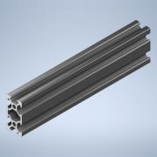 | Normal | Each | 3
3 | acrylic |  | Normal | Each | 1
4 | 17HM15-0904S | 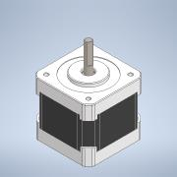 | Normal | Each | 3 |  | STEP AP214 | ANY
5 | Omni Wheel (Non Mechanum Style) | 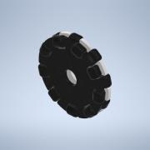 | Normal | Each | 3 |  | STEP AP203 | ANY
6 | ArduinoMega_STEP_AP203 | 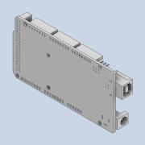 | Normal | Each | 1 |  | STEP AP203 | ANY
7 | TMC 2209 V3 Stepper motor drivers, or similar | 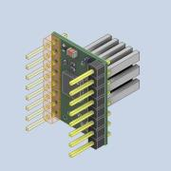 | Normal | Each | 3 |  | Open CASCADE Model
8 | DC - DC BUck Converter 6S : 24V-5V | 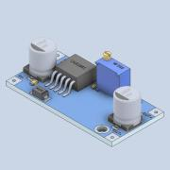 | Normal | Each | 2

